Summary and Charts
Statistics | Charts | Trades | Formula | Settings | Symbols | Monte Carlo |  |  |  | 1. Portfolio Equity

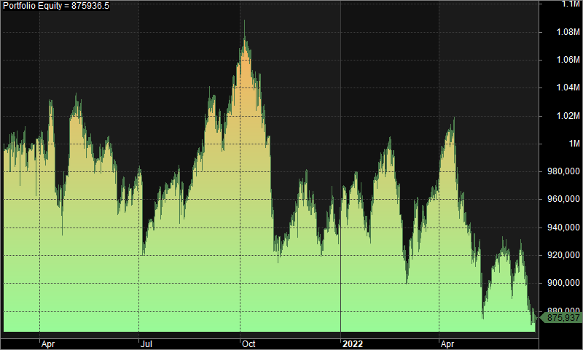
Statistics
 | All trades | Long trades | Short trades
Initial capital | 1000000 | 1000000 | 1000000
Ending capital | 875936.52 | 1000000 | 875936.52
Net Profit | -124063.48 | 0 | -124063.48
Net Profit % | -12.41% | 0.00% | -12.41%
Exposure % | 3.89% | 0.00% | 3.89%
Net Risk Adjusted Return % | -318.66% | N/A | -318.66%
Annual Return % | -9.41% | 0.00% | -9.41%
Risk Adjusted Return % | -241.80% | N/A | -241.80%
Total transaction costs | 142163.45 | 0 | 142163.45

All trades | 228 | 0 (0.00 %) | 228 (100.00 %)
Avg. Profit/Loss | -544.14 | N/A | -544.14
Avg. Profit/Loss % | -3.75% | N/A | -3.75%
Avg. Bars Held | 104.34 | N/A | 104.34

Winners | 94 (41.23 %) | 0 (0.00 %) | 94 (41.23 %)
Total Profit | 983949.94 | 0 | 983949.94
Avg. Profit | 10467.55 | N/A | 10467.55
Avg. Profit % | 36.20% | N/A | 36.20%
Avg. Bars Held | 169.94 | N/A | 169.94
Max. Consecutive | 6 | 0 | 6
Largest win | 45505.66 | 0 | 45505.66 | 2. Underwater Equity
# bars in largest win | 304 | 0 | 304
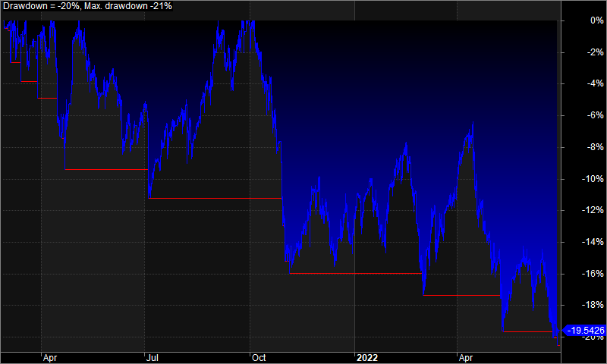

Losers | 134 (58.77 %) | 0 (0.00 %) | 134 (58.77 %)
Total Loss | -1108013.42 | 0 | -1108013.42
Avg. Loss | -8268.76 | N/A | -8268.76
Avg. Loss % | -31.77% | N/A | -31.77%
Avg. Bars Held | 58.32 | N/A | 58.32
Max. Consecutive | 9 | 0 | 9
Largest loss | -50664.48 | 0 | -50664.48
# bars in largest loss | 40 | 0 | 40

Max. trade drawdown | -50966.4 | 0 | -50966.4
Max. trade % drawdown | -95.42 | 0 | -95.42
Max. system drawdown | -223667.16 | 0 | -223667.16
Max. system % drawdown | -20.54% | 0.00% | -20.54%
Recovery Factor | -0.55 | N/A | -0.55
CAR/MaxDD | -0.46 | N/A | -0.46
RAR/MaxDD | -11.77 | N/A | -11.77
Profit Factor | 0.89 | N/A | 0.89
Payoff Ratio | 1.27 | N/A | 1.27
Standard Error | 32983.97 | 0 | 32983.97
Risk-Reward Ratio | -1.79 | N/A | -1.79
Ulcer Index | 10.17 | 0 | 10.17
Ulcer Performance Index | -1.46 | N/A | -1.46
Sharpe Ratio of trades | -1.14 | 0 | -1.14
K-Ratio | 0 | N/A | 0 | 3. Profit Table

 |  |  |  | Year | Jan | Feb | Mar | Apr | May | Jun | Jul | Aug | Sep | Oct | Nov | Dec | Yr%
 |  |  |  | 2021 | N/A | -0.40% | 0.40% | 0.00% | -0.90% | -1.30% | -0.40% | 4.50% | 4.00% | -9.50% | 1.60% | -3.30% | -5.90%
 |  |  |  | 2022 | 1.30% | -3.40% | 5.00% | -3.30% | -0.40% | -5.90% | N/A | N/A | N/A | N/A | N/A | N/A | -6.90%
 |  |  |  | Avg | 1.30% | -1.90% | 2.70% | -1.70% | -0.60% | -3.60% | -0.40% | 4.50% | 4.00% | -9.50% | 1.60% | -3.30%

